AvailabilityReport_2023-04-20
Category | SKU | ProductName | Available | Original RRP | Line RRP
Accessories | 3142041500 | TK BRACELET ARGENTINA BLUE JNR | 4 | £5.00 | £20.00
Accessories | 3142030299 | TK BRACELET ENGLAND SNR | 1133 | £5.00 | £5,665.00
Accessories | 3142041100 | TK BRACELET N'LAND ORANGE JNR | 19 | £5.00 | £95.00
Accessories | 3142040500 | TK BRACELET SOUTH AFRICA JNR | 9 | £5.00 | £45.00
Accessories | 3142030599 | TK BRACELET SOUTH AFRICA SNR | 48 | £5.00 | £240.00
Accessories | 3171300014 | TK PHONE CASE LIME iPHONE 6 | 4 | £10.00 | £40.00
Accessories | 3171300007 | TK PHONE CASE ROYAL iPHONE 7 | 6 | £10.00 | £60.00
Accessories | 3171782201 | TK TACTIC ZIPBOARD SILVER-BLACK | 294 | £35.00 | £10,290.00
Bandanas | 3042500000:3042500500 | TK BANDANA BOTTLE | 26 | £- | £-
Bandanas | 3042500000:3042500400 | TK BANDANA NAVY | 300 | £- | £-
Bandanas | 3042500000:3042501100 | TK BANDANA ORANGE | 154 | £- | £-
Bandanas | 3042500000:3042501700 | TK BANDANA PINK | 340 | £- | £-
Bandanas | 3042500000:3042501300 | TK BANDANA PURPLE | 793 | £- | £-
Bandanas | 3042500000:3042500700 | TK BANDANA ROYAL | 731 | £- | £-
Bandanas | 3042500000:3042501500 | TK BANDANA SKY | 100 | £- | £-
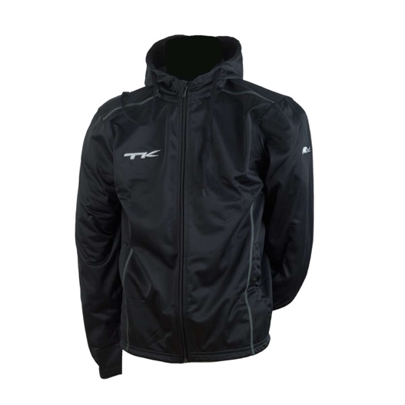
Hoodies | 9124850206 | TK BETIM HOODED JACKET BLACK 140 | 1 | £30.00 | £30.00
Hoodies | 9124850207 | TK BETIM HOODED JACKET BLACK 152 | 1 | £30.00 | £30.00
Hoodies | 9124850212 | TK BETIM HOODED JACKET BLACK XL | 9 | £30.00 | £270.00 |  |  | Male/Unisex Cut
Hoodies | 9124850411 | TK BETIM HOODED JACKET NAVY S | 2 | £30.00 | £60.00
Hoodies | 9124850413 | TK BETIM HOODED JACKET NAVY XXL | 2 | £30.00 | £60.00
Hoodies | 9124850311 | TK BETIM HOODED JACKET RED S | 3 | £30.00 | £90.00
Hoodies | 9124850310 | TK BETIM HOODED JACKET RED XS | 2 | £30.00 | £60.00
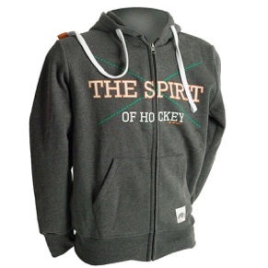
Hoodies | 9144651713 | TK CAMPINAS HOODIE GREY L | 4 | £45.00 | £180.00
Hoodies | 9144651712 | TK CAMPINAS HOODIE GREY M | 6 | £45.00 | £270.00 |  |  | Male/Unisex Cut
Hoodies | 9144651711 | TK CAMPINAS HOODIE GREY S | 2 | £45.00 | £90.00
Hoodies | 9144651714 | TK CAMPINAS HOODIE GREY XL | 1 | £45.00 | £45.00
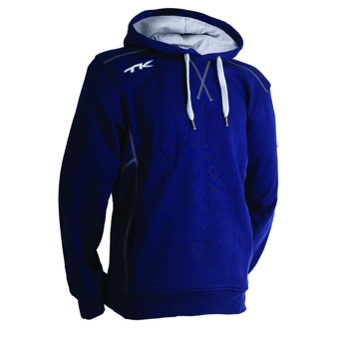
Hoodies | 9143650413 | TK HOODIE BELO HORIZONTE NAVY L | 8 | £44.95 | £359.60
Hoodies | 9143650411 | TK HOODIE BELO HORIZONTE NAVY S | 8 | £44.95 | £359.60
Hoodies | 9143650414 | TK HOODIE BELO HORIZONTE NAVY XL | 3 | £44.95 | £134.85 |  | Navy inner hood, not grey.
Hoodies | 9143650410 | TK HOODIE BELO HORIZONTE NAVY XS | 4 | £44.95 | £179.80 |  | Male/Unisex Cut
Hoodies | 9143650415 | TK HOODIE BELO HORIZONTE NAVY XXL | 2 | £44.95 | £89.90
Hoodies | 9143550413 | TK HOODIE DIADEMA WOMEN NAVY L | 11 | £44.95 | £494.45
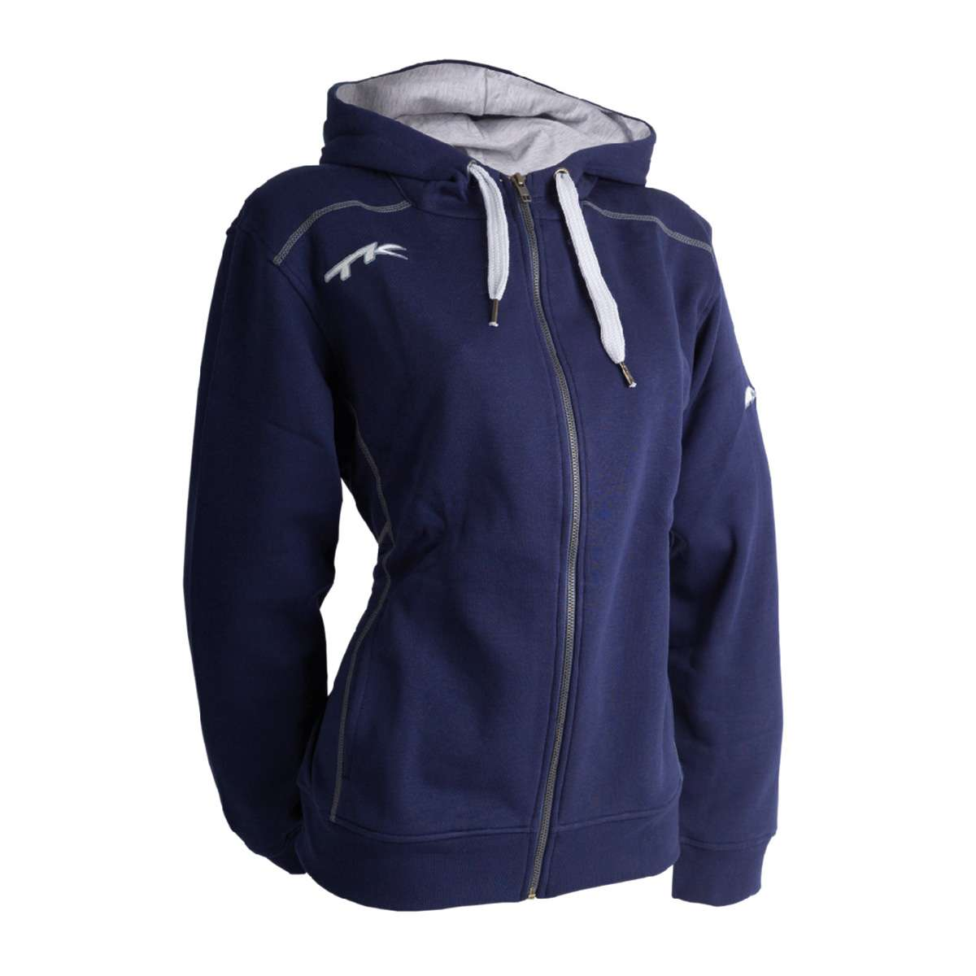
Hoodies | 9143550412 | TK HOODIE DIADEMA WOMEN NAVY M | 5 | £44.95 | £224.75
Hoodies | 9143550411 | TK HOODIE DIADEMA WOMEN NAVY S | 6 | £44.95 | £269.70
Hoodies | 9143550414 | TK HOODIE DIADEMA WOMEN NAVY XL | 5 | £44.95 | £224.75
Hoodies | 9143550410 | TK HOODIE DIADEMA WOMEN NAVY XS | 3 | £44.95 | £134.85 |  |  | Navy inner hood, not Grey.
Hoodies | 9143551613 | TK HOODIE DIADEMA WOMEN TURQUOISE L | 9 | £44.95 | £404.55
Hoodies | 9143551612 | TK HOODIE DIADEMA WOMEN TURQUOISE M | 8 | £44.95 | £359.60
Hoodies | 9143551611 | TK HOODIE DIADEMA WOMEN TURQUOISE S | 3 | £44.95 | £134.85
Hoodies | 9143551614 | TK HOODIE DIADEMA WOMEN TURQUOISE XL | 5 | £44.95 | £224.75
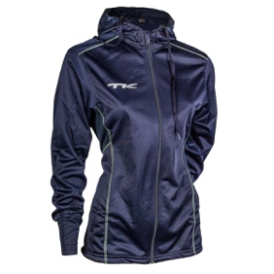
Hoodies | 9143551610 | TK HOODIE DIADEMA WOMEN TURQUOISE XS | 4 | £44.95 | £179.80
Hoodies | 9124800401 | TK MAKABA HOODED JACKET NAVY L | 4 | £35.00 | £140.00
Hoodies | 9124800402 | TK MAKABA HOODED JACKET NAVY M | 1 | £35.00 | £35.00 |  | Female Cut
Hoodies | 9124800411 | TK MAKABA HOODED JACKET NAVY S | 1 | £35.00 | £35.00
Hoodies | 9114400212 | TK SANTOS HOODIE BLACK M | 2 | £10.00 | £20.00
Hoodies | 9114400210 | TK SANTOS HOODIE BLACK XS | 32 | £10.00 | £320.00
Hoodies | 9114400611 | TK SANTOS HOODIE GREY S | 5 | £10.00 | £50.00
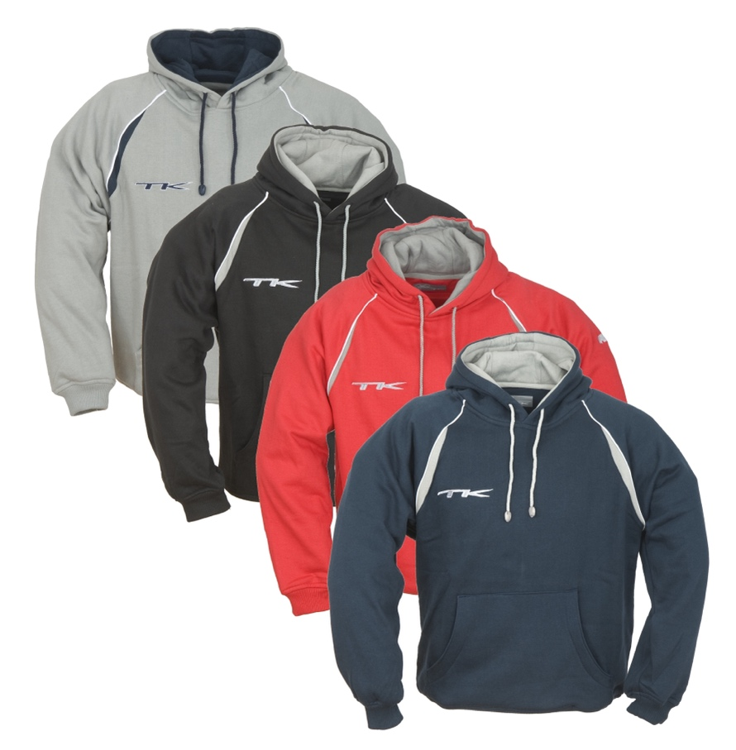
Hoodies | 9114400614 | TK SANTOS HOODIE GREY XL | 10 | £10.00 | £100.00
Hoodies | 9114400610 | TK SANTOS HOODIE GREY XS | 30 | £10.00 | £300.00
Hoodies | 9114400615 | TK SANTOS HOODIE GREY XXL | 6 | £10.00 | £60.00
Hoodies | 9114400609 | TK SANTOS HOODIE GREY XXS | 8 | £10.00 | £80.00
Hoodies | 9114400608 | TK SANTOS HOODIE GREY XXXS | 5 | £10.00 | £50.00
Hoodies | 9114400607 | TK SANTOS HOODIE GREY XXXXS | 1 | £10.00 | £10.00
Hoodies | 9114401512 | TK SANTOS HOODIE L. NAVY M | 5 | £10.00 | £50.00
Hoodies | 9114401511 | TK SANTOS HOODIE L. NAVY S | 30 | £10.00 | £300.00
Hoodies | 9114401510 | TK SANTOS HOODIE L. NAVY XS | 53 | £10.00 | £530.00
Hoodies | 9114401509 | TK SANTOS HOODIE L. NAVY XXS | 27 | £10.00 | £270.00
Hoodies | 9114401508 | TK SANTOS HOODIE L. NAVY XXXS | 21 | £10.00 | £210.00
Hoodies | 9114400414 | TK SANTOS HOODIE NAVY XL | 17 | £10.00 | £170.00
Hoodies | 9114400410 | TK SANTOS HOODIE NAVY XS | 69 | £10.00 | £690.00
Hoodies | 9114400415 | TK SANTOS HOODIE NAVY XXL | 16 | £10.00 | £160.00 | Male/Unisex Cut
Hoodies | 9114400409 | TK SANTOS HOODIE NAVY XXS | 11 | £10.00 | £110.00
Hoodies | 9114400314 | TK SANTOS HOODIE RED XL | 7 | £10.00 | £70.00
Hoodies | 9114400309 | TK SANTOS HOODIE RED XXS | 20 | £10.00 | £200.00
Hoodies | 9114400308 | TK SANTOS HOODIE RED XXXS | 21 | £10.00 | £210.00
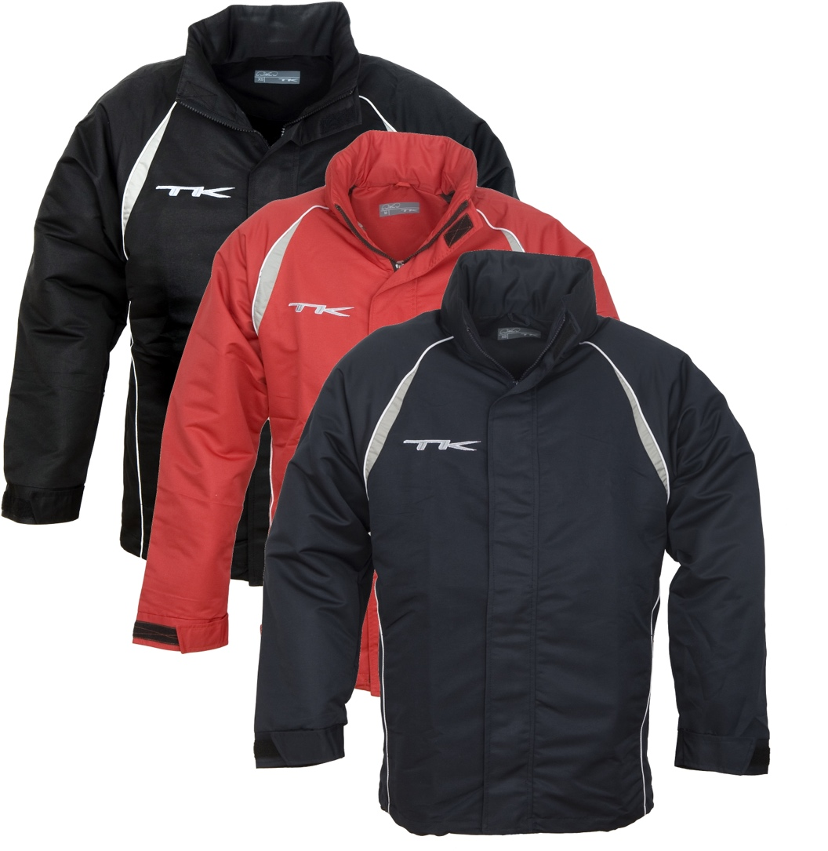
Jackets | 9113800214 | TK LIMA R-JACKET BLACK XL | 10 | £5.00 | £50.00
Jackets | 9113800210 | TK LIMA R-JACKET BLACK XS | 1 | £5.00 | £5.00
Jackets | 9113800215 | TK LIMA R-JACKET BLACK XXL | 9 | £5.00 | £45.00
Jackets | 9113800209 | TK LIMA R-JACKET BLACK XXS | 11 | £5.00 | £55.00
Jackets | 9113800208 | TK LIMA R-JACKET BLACK XXXS | 11 | £5.00 | £55.00
Jackets | 9113800207 | TK LIMA R-JACKET BLACK XXXXS | 6 | £5.00 | £30.00
Jackets | 9113800413 | TK LIMA R-JACKET NAVY L | 9 | £5.00 | £45.00
Jackets | 9113800411 | TK LIMA R-JACKET NAVY S | 1 | £5.00 | £5.00
Jackets | 9113800414 | TK LIMA R-JACKET NAVY XL | 41 | £5.00 | £205.00
Jackets | 9113800410 | TK LIMA R-JACKET NAVY XS | 16 | £5.00 | £80.00
Jackets | 9113800409 | TK LIMA R-JACKET NAVY XXS | 16 | £5.00 | £80.00
Jackets | 9113800408 | TK LIMA R-JACKET NAVY XXXS | 11 | £5.00 | £55.00
Jackets | 9113800407 | TK LIMA R-JACKET NAVY XXXXS | 6 | £5.00 | £30.00
Jackets | 9113800313 | TK LIMA R-JACKET RED L | 1 | £5.00 | £5.00
Jackets | 9113800315 | TK LIMA R-JACKET RED XXL | 3 | £5.00 | £15.00 | Male/Unisex Cut
Jackets | 9126650201 | TK NATAL JACKET BLACK L (India) | 2 | £50.00 | £100.00
Jackets | 9136650201 | TK NATAL JACKET BLACK L (Pakistan) | 4 | £50.00 | £200.00
Jackets | 9126650202 | TK NATAL JACKET BLACK M (India) | 2 | £50.00 | £100.00
Jackets | 9136650202 | TK NATAL JACKET BLACK M (Pakistan) | 1 | £50.00 | £50.00
Jackets | 9126650211 | TK NATAL JACKET BLACK S (India) | 1 | £50.00 | £50.00
Jackets | 9136650211 | TK NATAL JACKET BLACK S (Pakistan) | 5 | £50.00 | £250.00
Jackets | 9126650206 | TK NATAL JACKET BLACK SIZE 140 | 1 | £42.00 | £42.00
Jackets | 9126650207 | TK NATAL JACKET BLACK SIZE 152 | 1 | £42.00 | £42.00
Jackets | 9126650208 | TK NATAL JACKET BLACK SIZE 164 | 1 | £50.00 | £50.00
Jackets | 9126650212 | TK NATAL JACKET BLACK XL (India) | 1 | £50.00 | £50.00
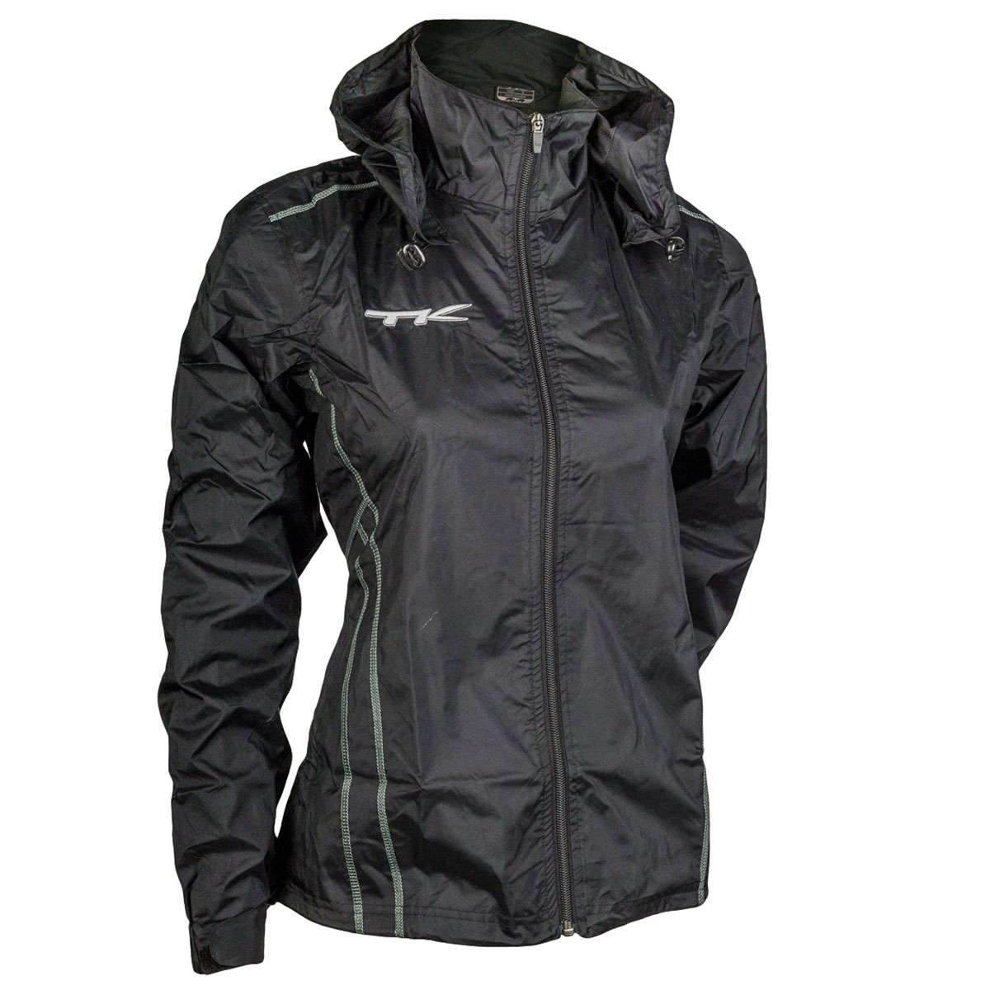
Jackets | 9136650212 | TK NATAL JACKET BLACK XL (Pakistan) | 5 | £50.00 | £250.00
Jackets | 9126650210 | TK NATAL JACKET BLACK XS | 1 | £50.00 | £50.00
Jackets | 9126650502 | TK NATAL JACKET GREEN M | 1 | £50.00 | £50.00
Jackets | 9126650506 | TK NATAL JACKET GREEN SIZE 140 | 1 | £42.00 | £42.00
Jackets | 9126650507 | TK NATAL JACKET GREEN SIZE 152 | 1 | £42.00 | £42.00
Jackets | 9126650508 | TK NATAL JACKET GREEN SIZE 164 | 1 | £50.00 | £50.00
Jackets | 9126650510 | TK NATAL JACKET GREEN XS | 1 | £50.00 | £50.00
Jackets | 9136650401 | TK NATAL JACKET NAVY L (Pakistan) | 2 | £50.00 | £100.00
Jackets | 9126650411 | TK NATAL JACKET NAVY S (India) | 1 | £50.00 | £50.00
Jackets | 9136650411 | TK NATAL JACKET NAVY S (Pakistan) | 2 | £50.00 | £100.00
Jackets | 9126650406 | TK NATAL JACKET NAVY SIZE 140 | 1 | £42.00 | £42.00
Jackets | 9126650407 | TK NATAL JACKET NAVY SIZE 152 | 1 | £42.00 | £42.00
Jackets | 9126650408 | TK NATAL JACKET NAVY SIZE 164 | 1 | £50.00 | £50.00
Jackets | 9136650412 | TK NATAL JACKET NAVY XL (Pakistan) | 2 | £50.00 | £100.00
Jackets | 9126650410 | TK NATAL JACKET NAVY XS (India) | 1 | £50.00 | £50.00
Jackets | 9136650410 | TK NATAL JACKET NAVY XS (Pakistan) | 4 | £50.00 | £200.00
Jackets | 9126650307 | TK NATAL JACKET RED 152 | 7 | £42.00 | £294.00
Jackets | 9126650308 | TK NATAL JACKET RED 164 | 1 | £50.00 | £50.00
Jackets | 9126650301 | TK NATAL JACKET RED L | 8 | £50.00 | £400.00 | Female Cut
Jackets | 9126650302 | TK NATAL JACKET RED M | 14 | £50.00 | £700.00
Jackets | 9126650311 | TK NATAL JACKET RED S | 4 | £50.00 | £200.00
Jackets | 9126650312 | TK NATAL JACKET RED XL | 7 | £50.00 | £350.00
Jackets | 9126650310 | TK NATAL JACKET RED XS | 4 | £50.00 | £200.00
Jackets | 9136650310 | TK NATAL JACKET RED XS (Pakistan) | 1 | £50.00 | £50.00
Jackets | 9126650313 | TK NATAL JACKET RED XXL | 3 | £50.00 | £150.00
Jackets | 9126650102 | TK NATAL JACKET WHITE M | 1 | £50.00 | £50.00
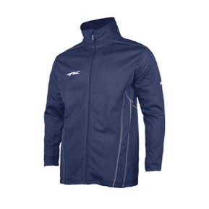
Jackets | 9124450213 | TK SALVADOR JACKET BLACK L | 5 | £50.00 | £250.00
Jackets | 9124450202 | TK SALVADOR JACKET BLACK M | 9 | £50.00 | £450.00
Jackets | 9124450211 | TK SALVADOR JACKET BLACK S | 6 | £50.00 | £300.00
Jackets | 9124450212 | TK SALVADOR JACKET BLACK XL | 7 | £50.00 | £350.00
Jackets | 9124450210 | TK SALVADOR JACKET BLACK XS | 13 | £50.00 | £650.00
Jackets | 9124450401 | TK SALVADOR JACKET NAVY L | 1 | £50.00 | £50.00
Jackets | 9124450402 | TK SALVADOR JACKET NAVY M | 4 | £50.00 | £200.00
Hoodies | 9124450411 | TK SALVADOR JACKET NAVY S | 7 | £10.00 | £70.00
Jackets | 9124450410 | TK SALVADOR JACKET NAVY XS | 8 | £50.00 | £400.00
Jackets | 9124450409 | TK SALVADOR JACKET NAVY XXS | 1 | £50.00 | £50.00
Jackets | 9124450301 | TK SALVADOR JACKET RED L | 1 | £50.00 | £50.00
Jackets | 9124450311 | TK SALVADOR JACKET RED S | 2 | £50.00 | £100.00
Jackets | 9124450312 | TK SALVADOR JACKET RED XL | 1 | £50.00 | £50.00
Jackets | 9124450310 | TK SALVADOR JACKET RED XS | 3 | £50.00 | £150.00
Jackets | 9124450112 | TK SALVADOR JACKET WHITE XL | 1 | £50.00 | £50.00 | Male/Unisex Cut
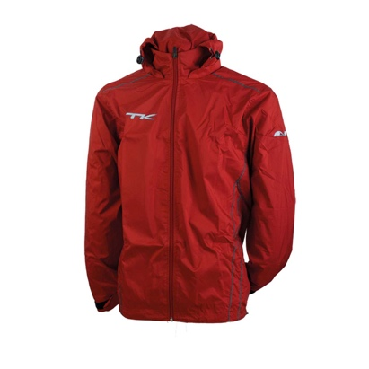
Jackets | 9126850302 | TK JACKET SAO PAULO MEN RED M | 1 | £50.00 | £50.00
Jackets | 9126850311 | TK JACKET SAO PAULO MEN RED S | 4 | £50.00 | £200.00
Jackets | 9126850312 | TK JACKET SAO PAULO MEN RED XL | 5 | £50.00 | £250.00
Jackets | 9126850310 | TK JACKET SAO PAULO MEN RED XS | 5 | £50.00 | £250.00
Jackets | 9126850306 | TK JACKET SAO PAULO RED 140 | 10 | £42.00 | £420.00
Jackets | 9126850308 | TK JACKET SAO PAULO RED 164 | 5 | £50.00 | £250.00
Jackets | 9136850212 | TK SAO PAULO R-JACKET BLACK M | 10 | £50.00 | £500.00
Jackets | 9136850211 | TK SAO PAULO R-JACKET BLACK S | 12 | £50.00 | £600.00
Jackets | 9136850214 | TK SAO PAULO R-JACKET BLACK XL | 4 | £50.00 | £200.00
Jackets | 9136850210 | TK SAO PAULO R-JACKET BLACK XS | 9 | £50.00 | £450.00
Jackets | 9136852711 | TK SAO PAULO R-JACKET NAVY long S | 1 | £50.00 | £50.00
Jackets | 9136852714 | TK SAO PAULO R-JACKET NAVY long XL | 1 | £50.00 | £50.00
Jackets | 9136852715 | TK SAO PAULO R-JACKET NAVY long XXL | 1 | £50.00 | £50.00
Jackets | 9136850412 | TK SAO PAULO R-JACKET NAVY M | 8 | £50.00 | £400.00
Jackets | 9136850411 | TK SAO PAULO R-JACKET NAVY S | 1 | £50.00 | £50.00
Jackets | 9136850410 | TK SAO PAULO R-JACKET NAVY XS | 2 | £50.00 | £100.00
Jackets | 9136850311 | TK SAO PAULO R-JACKET RED S | 1 | £50.00 | £50.00
Jackets | 9136850310 | TK SAO PAULO R-JACKET RED XS | 1 | £50.00 | £50.00
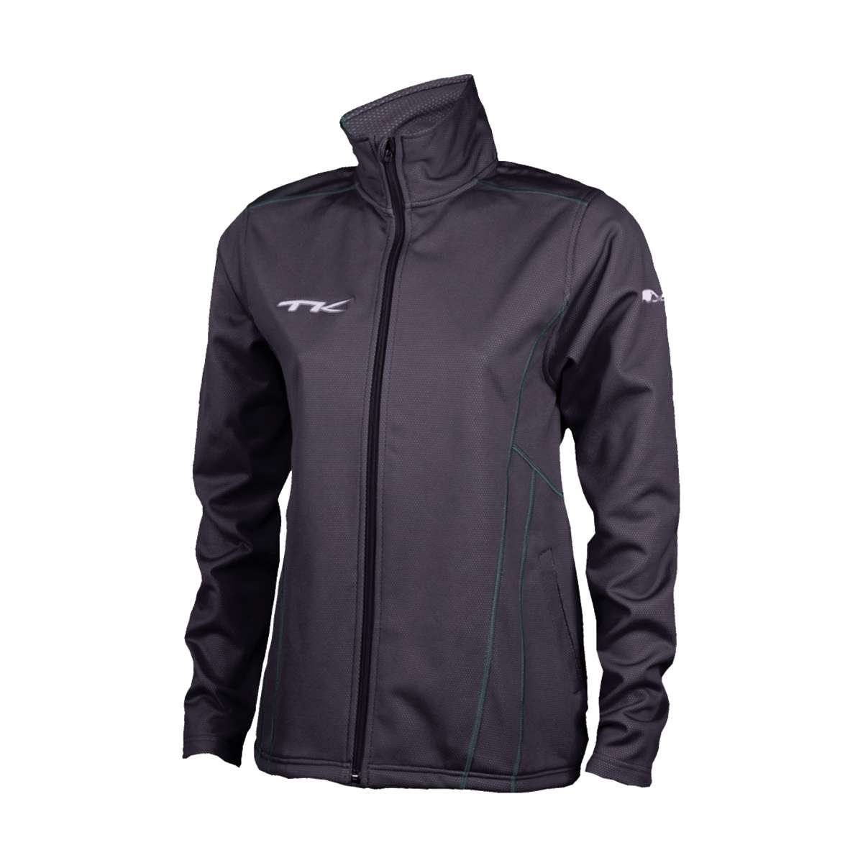
Jackets | 9124550211 | TK VITORIA JACKET BLACK S | 2 | £50.00 | £100.00
Jackets | 9124550212 | TK VITORIA JACKET BLACK XL | 2 | £50.00 | £100.00
Jackets | 9124550210 | TK VITORIA JACKET BLACK XS | 3 | £50.00 | £150.00
Jackets | 9124550401 | TK VITORIA JACKET NAVY L | 1 | £50.00 | £50.00
Jackets | 9124550402 | TK VITORIA JACKET NAVY M | 1 | £50.00 | £50.00
Jackets | 9124550412 | TK VITORIA JACKET NAVY XL | 1 | £50.00 | £50.00
Jackets | 9124550410 | TK VITORIA JACKET NAVY XS | 1 | £50.00 | £50.00
Jackets | 9124550301 | TK VITORIA JACKET RED L | 1 | £50.00 | £50.00
Jackets | 9124550311 | TK VITORIA JACKET RED S | 1 | £50.00 | £50.00
Jackets | 9124550312 | TK VITORIA JACKET RED XL | 2 | £50.00 | £100.00 | Female Cut
Jackets | 9124550310 | TK VITORIA JACKET RED XS | 1 | £50.00 | £50.00
Pants | 9124950205 | TK BAURO PANTS BLACK 128 | 65 | £20.00 | £1,300.00
Pants | 9124950206 | TK BAURO PANTS BLACK 140 | 62 | £20.00 | £1,240.00
Pants | 9124950207 | TK BAURO PANTS BLACK 152 | 16 | £20.00 | £320.00
Pants | 9124950208 | TK BAURO PANTS BLACK 164 | 63 | £20.00 | £1,260.00
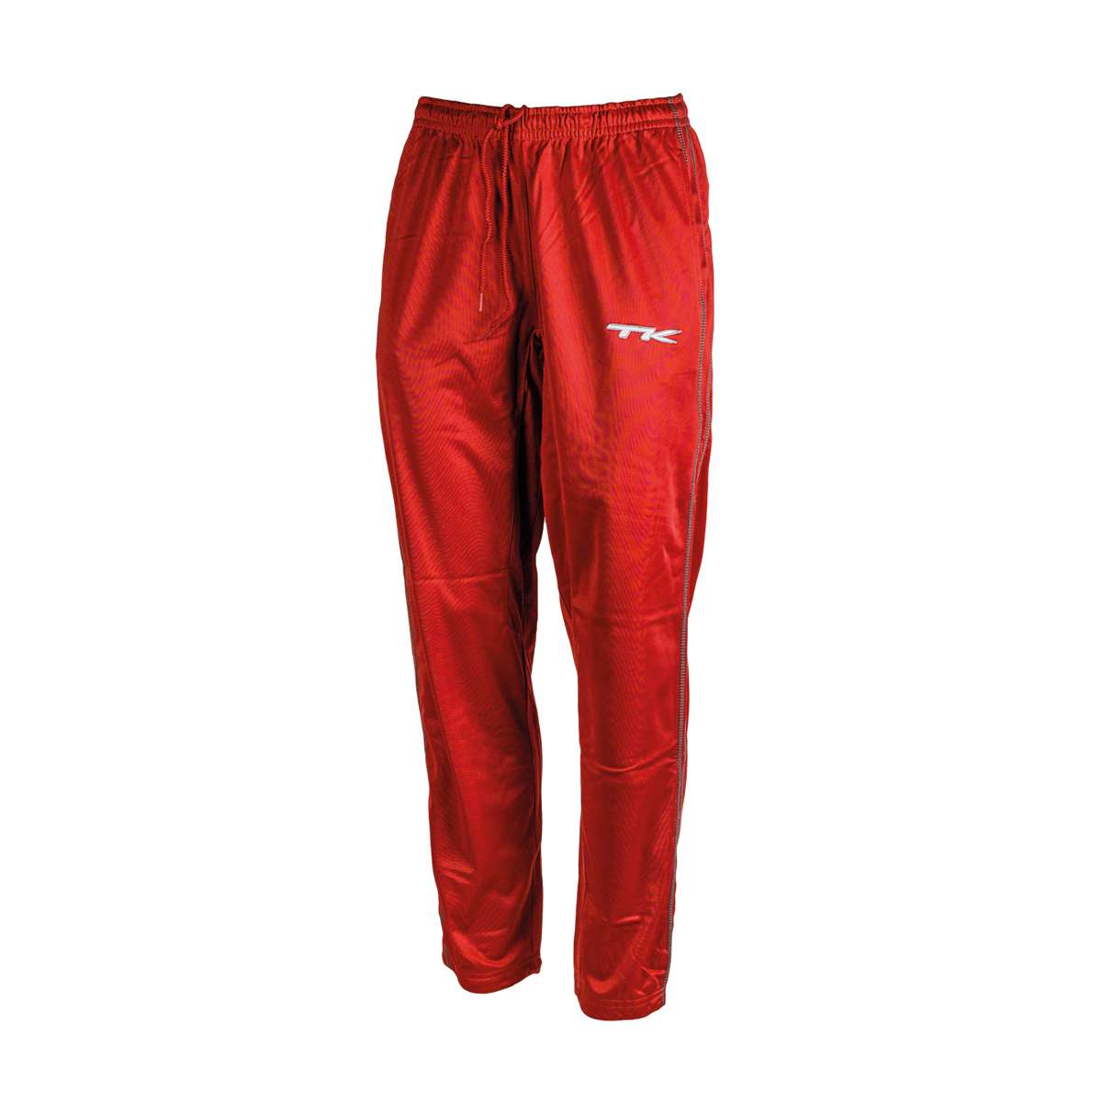
Pants | 9124950201 | TK BAURO PANTS BLACK L | 43 | £25.00 | £1,075.00
Pants | 9124950202 | TK BAURO PANTS BLACK M | 43 | £25.00 | £1,075.00
Pants | 9124950211 | TK BAURO PANTS BLACK S | 60 | £25.00 | £1,500.00
Pants | 9124950210 | TK BAURO PANTS BLACK XS | 105 | £25.00 | £2,625.00
Pants | 9124950505 | TK BAURO PANTS GREEN 128 | 11 | £20.00 | £220.00
Pants | 9124950506 | TK BAURO PANTS GREEN 140 | 8 | £20.00 | £160.00
Pants | 9124950507 | TK BAURO PANTS GREEN 152 | 11 | £20.00 | £220.00
Pants | 9124950508 | TK BAURO PANTS GREEN 164 | 13 | £20.00 | £260.00
Pants | 9124950502 | TK BAURO PANTS GREEN M | 46 | £25.00 | £1,150.00
Pants | 9124950511 | TK BAURO PANTS GREEN S | 49 | £25.00 | £1,225.00
Pants | 9124950510 | TK BAURO PANTS GREEN XS | 43 | £25.00 | £1,075.00
Pants | 9124950405 | TK BAURO PANTS NAVY 128 | 32 | £20.00 | £640.00
Pants | 9124950406 | TK BAURO PANTS NAVY 140 | 31 | £20.00 | £620.00
Pants | 9124950407 | TK BAURO PANTS NAVY 152 | 9 | £20.00 | £180.00
Pants | 9124950408 | TK BAURO PANTS NAVY 164 | 7 | £20.00 | £140.00 | Male/Unisex Cut
Pants | 9124950401 | TK BAURO PANTS NAVY L | 3 | £25.00 | £75.00
Pants | 9124950402 | TK BAURO PANTS NAVY M | 6 | £25.00 | £150.00
Pants | 9124950411 | TK BAURO PANTS NAVY S | 26 | £25.00 | £650.00
Pants | 9124950412 | TK BAURO PANTS NAVY XL | 4 | £25.00 | £100.00
Pants | 9124950410 | TK BAURO PANTS NAVY XS | 40 | £25.00 | £1,000.00
Pants | 9124950305 | TK BAURO PANTS RED 128 | 13 | £20.00 | £260.00
Pants | 9124950306 | TK BAURO PANTS RED 140 | 22 | £20.00 | £440.00
Pants | 9124950307 | TK BAURO PANTS RED 152 | 27 | £20.00 | £540.00
Pants | 9124950308 | TK BAURO PANTS RED 164 | 11 | £20.00 | £220.00
Pants | 9124950301 | TK BAURO PANTS RED L | 10 | £25.00 | £250.00
Pants | 9124950302 | TK BAURO PANTS RED M | 22 | £25.00 | £550.00
Pants | 9124950311 | TK BAURO PANTS RED S | 37 | £25.00 | £925.00
Pants | 9124950312 | TK BAURO PANTS RED XL | 4 | £25.00 | £100.00
Pants | 9124950310 | TK BAURO PANTS RED XS | 24 | £25.00 | £600.00
Pants | 9146350213 | TK BONITO PANTS BLACK L | 8 | £30.00 | £240.00
Pants | 9146350212 | TK BONITO PANTS BLACK M | 7 | £30.00 | £210.00
Pants | 9146350211 | TK BONITO PANTS BLACK S | 15 | £30.00 | £450.00
Pants | 9146350214 | TK BONITO PANTS BLACK XL | 6 | £30.00 | £180.00
Pants | 9146350210 | TK BONITO PANTS BLACK XS | 14 | £30.00 | £420.00
Pants | 9146350413 | TK BONITO PANTS NAVY L | 3 | £30.00 | £90.00
Pants | 9146350411 | TK BONITO PANTS NAVY S | 4 | £30.00 | £120.00
Pants | 9146350414 | TK BONITO PANTS NAVY XL | 7 | £30.00 | £210.00
Pants | 9146350410 | TK BONITO PANTS NAVY XS | 2 | £30.00 | £60.00 | Male/Unisex Cut
Pants | 9124900205 | TK FORTALEZA WOMEN BLACK 128 | 59 | £20.00 | £1,180.00
Pants | 9124900206 | TK FORTALEZA WOMEN BLACK 140 | 31 | £20.00 | £620.00
Pants | 9124900207 | TK FORTALEZA WOMEN BLACK 152 | 18 | £20.00 | £360.00
Pants | 9124900208 | TK FORTALEZA WOMEN BLACK 164 | 41 | £20.00 | £820.00
Pants | 9124900201 | TK FORTALEZA WOMEN BLACK L | 103 | £25.00 | £2,575.00
Pants | 9124900202 | TK FORTALEZA WOMEN BLACK M | 153 | £25.00 | £3,825.00
Pants | 9124900211 | TK FORTALEZA WOMEN BLACK S | 12 | £25.00 | £300.00
Pants | 9124900212 | TK FORTALEZA WOMEN BLACK XL | 43 | £25.00 | £1,075.00
Pants | 9124900210 | TK FORTALEZA WOMEN BLACK XS | 53 | £25.00 | £1,325.00
Pants | 9124900213 | TK FORTALEZA WOMEN BLACK XXL | 14 | £25.00 | £350.00
Pants | 9124900505 | TK FORTALEZA WOMEN GREEN 128 | 46 | £20.00 | £920.00
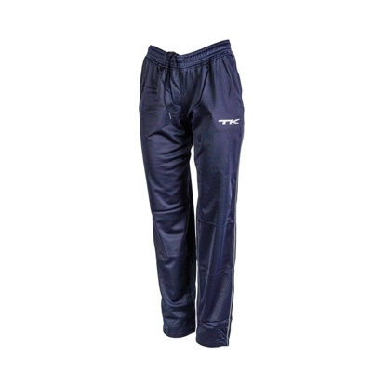
Pants | 9124900506 | TK FORTALEZA WOMEN GREEN 140 | 27 | £20.00 | £540.00
Pants | 9124900507 | TK FORTALEZA WOMEN GREEN 152 | 23 | £20.00 | £460.00
Pants | 9124900508 | TK FORTALEZA WOMEN GREEN 164 | 4 | £20.00 | £80.00
Pants | 9124900501 | TK FORTALEZA WOMEN GREEN L | 60 | £25.00 | £1,500.00
Pants | 9124900502 | TK FORTALEZA WOMEN GREEN M | 26 | £25.00 | £650.00
Pants | 9124900511 | TK FORTALEZA WOMEN GREEN S | 13 | £25.00 | £325.00
Pants | 9124900512 | TK FORTALEZA WOMEN GREEN XL | 26 | £25.00 | £650.00
Pants | 9124900510 | TK FORTALEZA WOMEN GREEN XS | 24 | £25.00 | £600.00
Pants | 9124900513 | TK FORTALEZA WOMEN GREEN XXL | 24 | £25.00 | £600.00
Pants | 9124900405 | TK FORTALEZA WOMEN NAVY 128 | 34 | £20.00 | £680.00
Pants | 9124900406 | TK FORTALEZA WOMEN NAVY 140 | 28 | £20.00 | £560.00
Pants | 9124900407 | TK FORTALEZA WOMEN NAVY 152 | 32 | £20.00 | £640.00
Pants | 9124900408 | TK FORTALEZA WOMEN NAVY 164 | 19 | £20.00 | £380.00
Pants | 9124900401 | TK FORTALEZA WOMEN NAVY L | 79 | £25.00 | £1,975.00
Pants | 9124900402 | TK FORTALEZA WOMEN NAVY M | 20 | £25.00 | £500.00 | Female Cut
Pants | 9124900411 | TK FORTALEZA WOMEN NAVY S | 16 | £25.00 | £400.00
Pants | 9124900412 | TK FORTALEZA WOMEN NAVY XL | 45 | £25.00 | £1,125.00
Pants | 9124900410 | TK FORTALEZA WOMEN NAVY XS | 7 | £25.00 | £175.00
Pants | 9124900413 | TK FORTALEZA WOMEN NAVY XXL | 25 | £25.00 | £625.00
Pants | 9124900305 | TK FORTALEZA WOMEN RED 128 | 49 | £20.00 | £980.00
Pants | 9124900306 | TK FORTALEZA WOMEN RED 140 | 29 | £20.00 | £580.00
Pants | 9124900307 | TK FORTALEZA WOMEN RED 152 | 28 | £20.00 | £560.00
Pants | 9124900308 | TK FORTALEZA WOMEN RED 164 | 27 | £20.00 | £540.00
Pants | 9124900301 | TK FORTALEZA WOMEN RED L | 30 | £25.00 | £750.00
Pants | 9124900302 | TK FORTALEZA WOMEN RED M | 24 | £25.00 | £600.00
Pants | 9124900311 | TK FORTALEZA WOMEN RED S | 33 | £25.00 | £825.00
Pants | 9124900312 | TK FORTALEZA WOMEN RED XL | 18 | £25.00 | £450.00
Pants | 9124900310 | TK FORTALEZA WOMEN RED XS | 29 | £25.00 | £725.00
Pants | 9124900313 | TK FORTALEZA WOMEN RED XXL | 11 | £25.00 | £275.00
Pants | 9126750401 | TK PANT SAO LUIS MEN NAVY L | 6 | £40.00 | £240.00
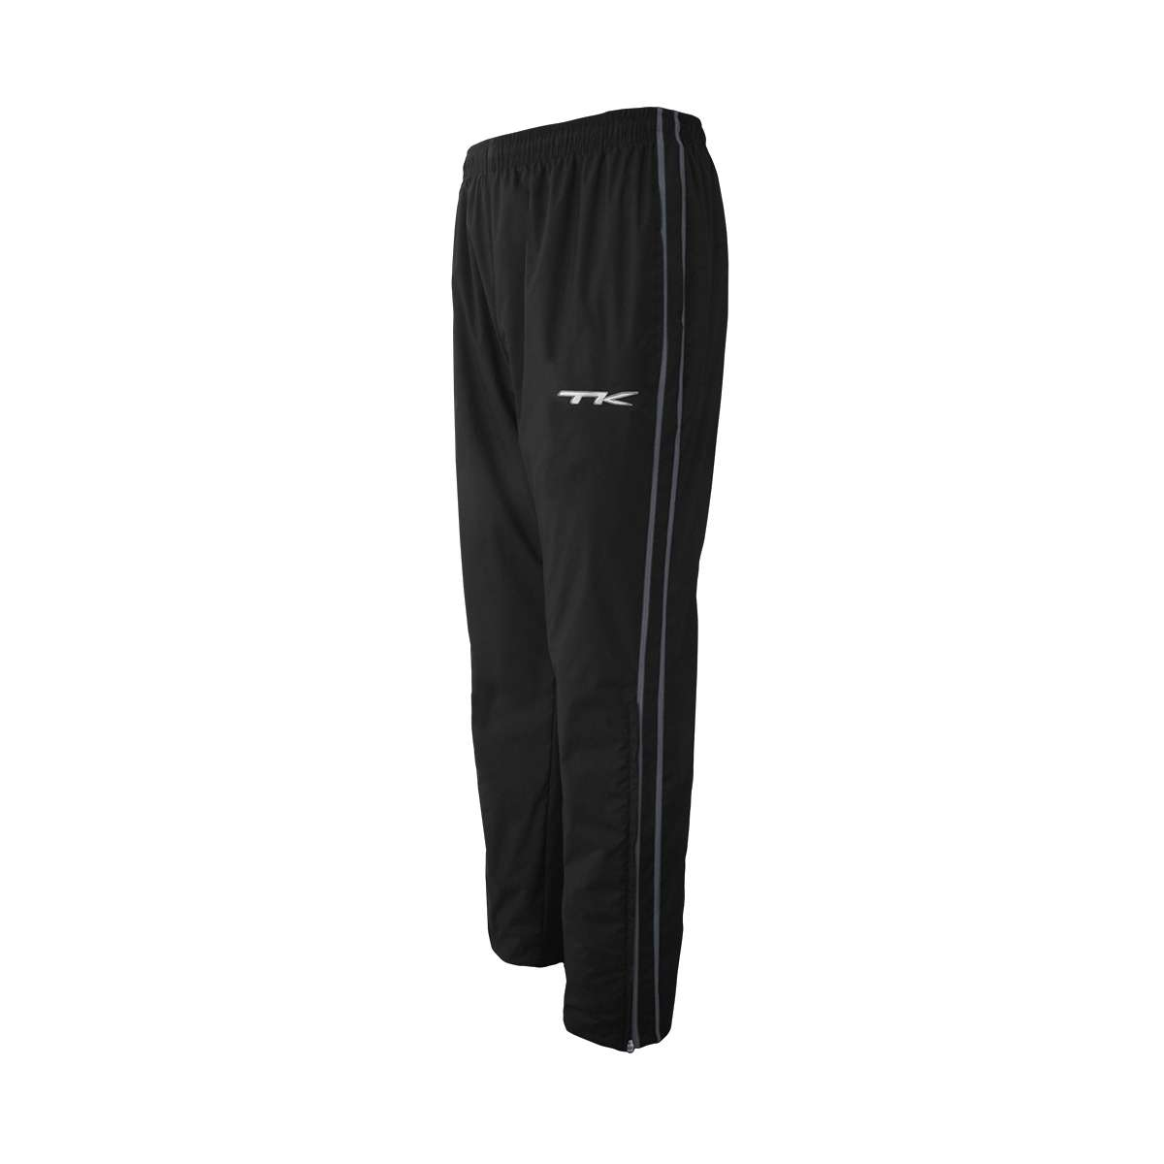
Pants | 9126750402 | TK PANT SAO LUIS MEN NAVY M | 10 | £40.00 | £400.00
Pants | 9126750411 | TK PANT SAO LUIS MEN NAVY S | 9 | £40.00 | £360.00
Pants | 9126750412 | TK PANT SAO LUIS MEN NAVY XL | 1 | £40.00 | £40.00
Pants | 9126750410 | TK PANT SAO LUIS MEN NAVY XS | 5 | £40.00 | £200.00
Pants | 9126750413 | TK PANT SAO LUIS MEN NAVY XXL | 3 | £40.00 | £120.00
Pants | 9136750211 | TK SAO LUIS RAIN PANTS BLACK S | 11 | £40.00 | £440.00
Pants | 9136750214 | TK SAO LUIS RAIN PANTS BLACK XL | 3 | £40.00 | £120.00
Pants | 9136750210 | TK SAO LUIS RAIN PANTS BLACK XS | 8 | £40.00 | £320.00
Pants | 9136750413 | TK SAO LUIS RAIN PANTS NAVY L | 9 | £40.00 | £360.00
Pants | 9136750411 | TK SAO LUIS RAIN PANTS NAVY S | 8 | £40.00 | £320.00
Pants | 9136750410 | TK SAO LUIS RAIN PANTS NAVY XS | 1 | £40.00 | £40.00
Pants | 9136750415 | TK SAO LUIS RAIN PANTS NAVY XXL | 1 | £40.00 | £40.00 | Male/Unisex Cut
Pants | 9126550206 | TK TERESINA PANTS BLACK SIZE 140 | 1 | £34.00 | £34.00
Pants | 9126550501 | TK TERESINA PANTS GREEN L | 1 | £40.00 | £40.00
Pants | 9126550502 | TK TERESINA PANTS GREEN M | 1 | £40.00 | £40.00
Pants | 9126550506 | TK TERESINA PANTS GREEN SIZE 140 | 2 | £34.00 | £68.00
Pants | 9126550507 | TK TERESINA PANTS GREEN SIZE 152 | 1 | £34.00 | £34.00
Pants | 9126550508 | TK TERESINA PANTS GREEN SIZE 164 | 2 | £40.00 | £80.00
Pants | 9126550510 | TK TERESINA PANTS GREEN XS | 2 | £40.00 | £80.00
Pants | 9126550401 | TK TERESINA PANTS NAVY L (India) | 6 | £40.00 | £240.00
Pants | 9136550401 | TK TERESINA PANTS NAVY L (Pakistan) | 8 | £40.00 | £320.00
Pants | 9126550402 | TK TERESINA PANTS NAVY M (India) | 9 | £40.00 | £360.00
Pants | 9136550402 | TK TERESINA PANTS NAVY M (Pakistan) | 7 | £40.00 | £280.00
Pants | 9126550411 | TK TERESINA PANTS NAVY S (India) | 6 | £40.00 | £240.00
Pants | 9136550411 | TK TERESINA PANTS NAVY S (Pakistan) | 1 | £40.00 | £40.00
Pants | 9126550406 | TK TERESINA PANTS NAVY SIZE 140 | 1 | £34.00 | £34.00
Pants | 9126550407 | TK TERESINA PANTS NAVY SIZE 152 | 1 | £34.00 | £34.00
Pants | 9126550408 | TK TERESINA PANTS NAVY SIZE 164 | 1 | £40.00 | £40.00
Pants | 9126550412 | TK TERESINA PANTS NAVY XL (India) | 5 | £40.00 | £200.00
Pants | 9136550412 | TK TERESINA PANTS NAVY XL (Pakistan) | 5 | £40.00 | £200.00
Pants | 9126550410 | TK TERESINA PANTS NAVY XS (India) | 3 | £40.00 | £120.00 | Female Cut
Pants | 9136550410 | TK TERESINA PANTS NAVY XS (Pakistan) | 2 | £40.00 | £80.00
Pants | 9126550413 | TK TERESINA PANTS NAVY XXL (India) | 1 | £40.00 | £40.00
Pants | 9136550413 | TK TERESINA PANTS NAVY XXL (Pakistan) | 1 | £40.00 | £40.00
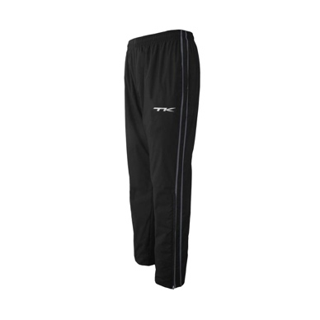
Pants | 9126550307 | TK TERESINA PANTS RED SIZE 152 (India) | 1 | £34.00 | £34.00
Pants | 9136760213 | TK VICENTE PANTS BLACK L | 16 | £40.00 | £640.00
Pants | 9136760212 | TK VICENTE PANTS BLACK M | 14 | £40.00 | £560.00
Pants | 9136760211 | TK VICENTE PANTS BLACK S | 14 | £40.00 | £560.00
Pants | 9136760214 | TK VICENTE PANTS BLACK XL | 14 | £40.00 | £560.00
Pants | 9136760210 | TK VICENTE PANTS BLACK XS | 9 | £40.00 | £360.00 |  | Male/Unisex Cut
Shirts | 913540020115 | TK BRASILIA SHIRT BLACK-WHITE XXL | 3 | £25.00 | £75.00
Shirts | 913540120813 | TK BRASILIA SHIRT MAROON/GOLD L | 1 | £25.00 | £25.00
Shirts | 913540120812 | TK BRASILIA SHIRT MAROON/GOLD M | 1 | £25.00 | £25.00
Shirts | 913540120811 | TK BRASILIA SHIRT MAROON/GOLD S | 1 | £25.00 | £25.00
Shirts | 913540120111 | TK BRASILIA SHIRT MAROON-WHITE S | 21 | £25.00 | £525.00
Shirts | 913540120114 | TK BRASILIA SHIRT MAROON-WHITE XL | 21 | £25.00 | £525.00
Shirts | 913540120110 | TK BRASILIA SHIRT MAROON-WHITE XS | 20 | £25.00 | £500.00
Shirts | 913540041513 | TK BRASILIA SHIRT NAVY/SKY L | 1 | £25.00 | £25.00
Shirts | 913540041511 | TK BRASILIA SHIRT NAVY/SKY S | 1 | £25.00 | £25.00
Shirts | 913540041514 | TK BRASILIA SHIRT NAVY/SKY XL | 1 | £25.00 | £25.00
Shirts | 913540041014 | TK BRASILIA SHIRT NAVY/YELLOW XL | 3 | £25.00 | £75.00
Shirts | 913540041015 | TK BRASILIA SHIRT NAVY/YELLOW XXL | 2 | £25.00 | £50.00
Shirts | 913540040313 | TK BRASILIA SHIRT NAVY-RED L | 11 | £25.00 | £275.00
Shirts | 913540040312 | TK BRASILIA SHIRT NAVY-RED M | 49 | £25.00 | £1,225.00
Shirts | 913540040311 | TK BRASILIA SHIRT NAVY-RED S | 25 | £25.00 | £625.00
Shirts | 913540040314 | TK BRASILIA SHIRT NAVY-RED XL | 8 | £25.00 | £200.00
Shirts | 913540040310 | TK BRASILIA SHIRT NAVY-RED XS | 10 | £25.00 | £250.00
Shirts | 913540040315 | TK BRASILIA SHIRT NAVY-RED XXL | 1 | £25.00 | £25.00
Shirts | 913540040113 | TK BRASILIA SHIRT NAVY-WHITE L | 17 | £25.00 | £425.00
Shirts | 913540040112 | TK BRASILIA SHIRT NAVY-WHITE M | 19 | £25.00 | £475.00
Shirts | 913540040111 | TK BRASILIA SHIRT NAVY-WHITE S | 18 | £25.00 | £450.00
Shirts | 913540040114 | TK BRASILIA SHIRT NAVY-WHITE XL | 18 | £25.00 | £450.00
Shirts | 913540040115 | TK BRASILIA SHIRT NAVY-WHITE XXL | 10 | £25.00 | £250.00
Shirts | 913540030409 | TK BRASILIA SHIRT RED/NAVY, XXS / 152 | 9 | £25.00 | £225.00
Shirts | 913540030411 | TK BRASILIA SHIRT RED-NAVY S | 33 | £25.00 | £825.00
Shirts | 913540030410 | TK BRASILIA SHIRT RED-NAVY XS | 24 | £25.00 | £600.00
Shirts | 913540030111 | TK BRASILIA SHIRT RED-WHITE S | 4 | £25.00 | £100.00
Shirts | 913540030114 | TK BRASILIA SHIRT RED-WHITE XL | 15 | £25.00 | £375.00
Shirts | 913540030110 | TK BRASILIA SHIRT RED-WHITE XS | 34 | £25.00 | £850.00
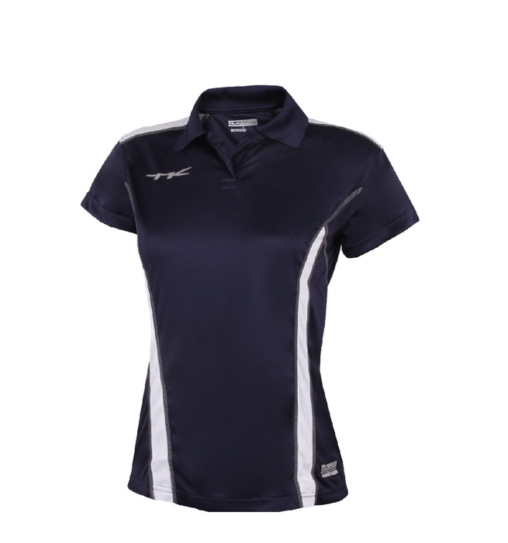
Shirts | 913540030115 | TK BRASILIA SHIRT RED-WHITE XXL | 6 | £25.00 | £150.00
Shirts | 9135400711 | TK BRASILIA SHIRT ROYAL-WHITE S | 2 | £25.00 | £50.00
Shirts | 9135400714 | TK BRASILIA SHIRT ROYAL-WHITE XL | 2 | £25.00 | £50.00
Shirts | 9135400710 | TK BRASILIA SHIRT ROYAL-WHITE XS | 1 | £25.00 | £25.00
Shirts | 9135400715 | TK BRASILIA SHIRT ROYAL-WHITE XXL | 2 | £25.00 | £50.00
Shirts | 9135401513 | TK BRASILIA SHIRT SKY-NAVY L | 50 | £25.00 | £1,250.00
Shirts | 9135401512 | TK BRASILIA SHIRT SKY-NAVY M | 4 | £25.00 | £100.00
Shirts | 9135401511 | TK BRASILIA SHIRT SKY-NAVY S | 32 | £25.00 | £800.00
Shirts | 9135401514 | TK BRASILIA SHIRT SKY-NAVY XL | 40 | £25.00 | £1,000.00
Shirts | 9135401510 | TK BRASILIA SHIRT SKY-NAVY XS | 37 | £25.00 | £925.00
Shirts | 9135401515 | TK BRASILIA SHIRT SKY-NAVY XXL | 12 | £25.00 | £300.00 | First colour is main, second colour is trim.
Shirts | 9135400013 | TK BRASILIA SHIRT SPECIAL L | 1 | £25.00 | £25.00 | Female Cut
Shirts | 9135400012 | TK BRASILIA SHIRT SPECIAL M | 1 | £25.00 | £25.00
Shirts | 9135400011 | TK BRASILIA SHIRT SPECIAL S | 1 | £25.00 | £25.00
Shirts | 9135400014 | TK BRASILIA SHIRT SPECIAL XL | 2 | £25.00 | £50.00
Shirts | 9135400010 | TK BRASILIA SHIRT SPECIAL XS | 1 | £25.00 | £25.00
Shirts | 9135400015 | TK BRASILIA SHIRT SPECIAL XXL | 3 | £25.00 | £75.00
Shirts | 913540010214 | TK BRASILIA SHIRT WHITE/BLACK XL | 13 | £25.00 | £325.00
Shirts | 913540010215 | TK BRASILIA SHIRT WHITE/BLACK XXL | 4 | £25.00 | £100.00
Shirts | 913540011216 | TK BRASILIA SHIRT WHITE/MAROON XXXL | 6 | £25.00 | £150.00
Shirts | 913540010416 | TK BRASILIA SHIRT WHITE/NAVY XXXL | 2 | £25.00 | £50.00
Shirts | 913540011213 | TK BRASILIA SHIRT WHITE-MAROON L | 12 | £25.00 | £300.00
Shirts | 913540011212 | TK BRASILIA SHIRT WHITE-MAROON M | 9 | £25.00 | £225.00
Shirts | 913540011211 | TK BRASILIA SHIRT WHITE-MAROON S | 6 | £25.00 | £150.00
Shirts | 913540011214 | TK BRASILIA SHIRT WHITE-MAROON XL | 31 | £25.00 | £775.00
Shirts | 913540011210 | TK BRASILIA SHIRT WHITE-MAROON XS | 3 | £25.00 | £75.00
Shirts | 913540011215 | TK BRASILIA SHIRT WHITE-MAROON XXL | 6 | £25.00 | £150.00
Shirts | 913540010413 | TK BRASILIA SHIRT WHITE-NAVY L | 2 | £25.00 | £50.00
Shirts | 913540010414 | TK BRASILIA SHIRT WHITE-NAVY XL | 1 | £25.00 | £25.00
Shirts | 913540010410 | TK BRASILIA SHIRT WHITE-NAVY XS | 8 | £25.00 | £200.00
Shirts | 913540010311 | TK BRASILIA SHIRT WHITE-RED S | 6 | £25.00 | £150.00
Shirts | 913540010314 | TK BRASILIA SHIRT WHITE-RED XL | 13 | £25.00 | £325.00
Shirts | 913540010310 | TK BRASILIA SHIRT WHITE-RED XS | 20 | £25.00 | £500.00
Shirts | 913540010315 | TK BRASILIA SHIRT WHITE-RED XXL | 1 | £25.00 | £25.00
Shirts | 9124150213 | TK MANAUS SHIRT BLACK XXL | 1 | £24.00 | £24.00
Shirts | 9124150505 | TK MANAUS SHIRT D. GREEN 128 | 1 | £20.00 | £20.00
Shirts | 9124150506 | TK MANAUS SHIRT D. GREEN 140 | 1 | £20.00 | £20.00
Shirts | 9124150507 | TK MANAUS SHIRT D. GREEN 152 | 1 | £20.00 | £20.00
Shirts | 9124150508 | TK MANAUS SHIRT D. GREEN 164 | 1 | £24.00 | £24.00
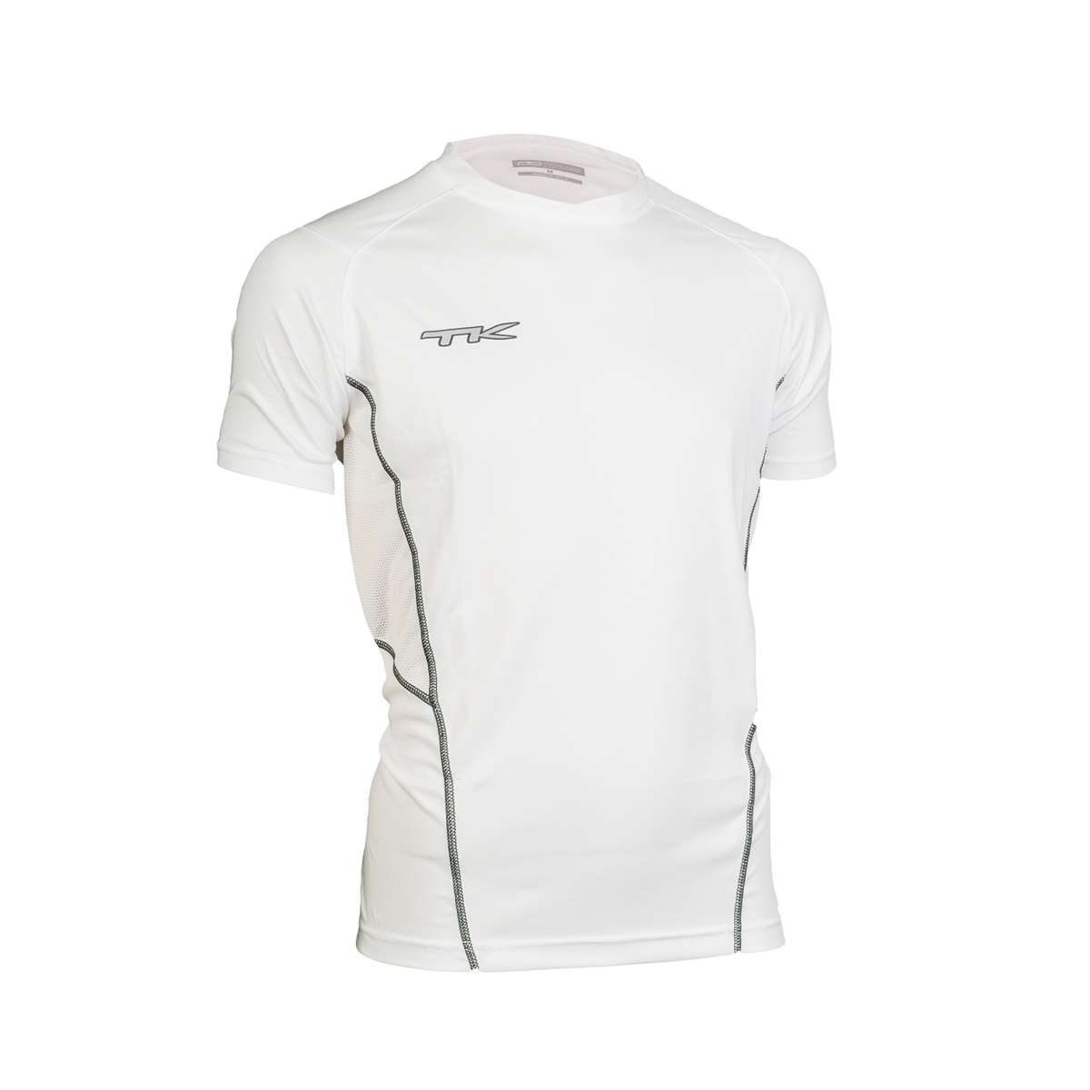
Shirts | 9124150511 | TK MANAUS SHIRT D. GREEN S | 1 | £24.00 | £24.00
Shirts | 9124150510 | TK MANAUS SHIRT D. GREEN XS | 1 | £24.00 | £24.00
Shirts | 913415120112 | TK MANAUS SHIRT MAROON/WHITE M | 1 | £24.00 | £24.00
Shirts | 9124150401 | TK MANAUS SHIRT NAVY L | 21 | £24.00 | £504.00
Shirts | 9124150411 | TK MANAUS SHIRT NAVY S | 2 | £24.00 | £48.00
Shirts | 913415030212 | TK MANAUS SHIRT RED/BLACK M | 1 | £24.00 | £24.00
Shirts | 913415030412 | TK MANAUS SHIRT RED/NAVY M | 1 | £24.00 | £24.00
Shirts | 913415030112 | TK MANAUS SHIRT RED/WHITE M | 1 | £24.00 | £24.00
Shirts | 913415150412 | TK MANAUS SHIRT SKY/NAVY M | 1 | £24.00 | £24.00
Shirts | 9124150101 | TK MANAUS SHIRT WHITE L | 2 | £24.00 | £48.00
Shirts | 9124150111 | TK MANAUS SHIRT WHITE S | 6 | £24.00 | £144.00
Shirts | 9124150112 | TK MANAUS SHIRT WHITE XL | 6 | £24.00 | £144.00
Shirts | 913415010213 | TK MANAUS SHIRT WHITE/BLACK L | 1 | £24.00 | £24.00
Shirts | 913415010212 | TK MANAUS SHIRT WHITE/BLACK M | 2 | £24.00 | £48.00
Shirts | 913415010211 | TK MANAUS SHIRT WHITE/BLACK S | 1 | £24.00 | £24.00
Shirts | 913415011213 | TK MANAUS SHIRT WHITE/MAROON L | 2 | £24.00 | £48.00
Shirts | 913415011211 | TK MANAUS SHIRT WHITE/MAROON S | 1 | £24.00 | £24.00
Shirts | 913415011214 | TK MANAUS SHIRT WHITE/MAROON XL | 1 | £24.00 | £24.00
Shirts | 913415010412 | TK MANAUS SHIRT WHITE/NAVY M | 1 | £24.00 | £24.00 | First colour is main, second colour is trim.
Shirts | 913415010411 | TK MANAUS SHIRT WHITE/NAVY S | 1 | £24.00 | £24.00 | Male/Unisex Cut
Shirts | 913415010414 | TK MANAUS SHIRT WHITE/NAVY XL | 1 | £24.00 | £24.00
Shirts | 913415010313 | TK MANAUS SHIRT WHITE/RED L | 1 | £24.00 | £24.00
Shirts | 913415010312 | TK MANAUS SHIRT WHITE/RED M | 2 | £24.00 | £48.00
Shirts | 913415010311 | TK MANAUS SHIRT WHITE/RED S | 1 | £24.00 | £24.00
Shirts | 913550021211 | TK RIO SHIRT BLACK/MAROON S (sample) | 1 | £25.00 | £25.00
Shirts | 913550021012 | TK RIO SHIRT BLACK/YELLOW M (sample) | 1 | £25.00 | £25.00
Shirts | 913550020113 | TK RIO SHIRT BLACK-WHITE L | 39 | £25.00 | £975.00
Shirts | 913550020112 | TK RIO SHIRT BLACK-WHITE M | 24 | £25.00 | £600.00
Shirts | 913550020111 | TK RIO SHIRT BLACK-WHITE S | 23 | £25.00 | £575.00
Shirts | 913550020114 | TK RIO SHIRT BLACK-WHITE XL | 19 | £25.00 | £475.00
Shirts | 913550020110 | TK RIO SHIRT BLACK-WHITE XS | 25 | £25.00 | £625.00
Shirts | 913550020115 | TK RIO SHIRT BLACK-WHITE XXL | 5 | £25.00 | £125.00
Shirts | 9135500512 | TK RIO SHIRT GREEN-WHITE M | 1 | £25.00 | £25.00
Shirts | 913550120813 | TK RIO SHIRT MAROON/GOLD L (sample) | 1 | £25.00 | £25.00
Shirts | 913550120812 | TK RIO SHIRT MAROON/GOLD M (sample) | 1 | £25.00 | £25.00
Shirts | 913550120811 | TK RIO SHIRT MAROON/GOLD S (sample) | 1 | £25.00 | £25.00
Shirts | 913550120814 | TK RIO SHIRT MAROON/GOLD XL (sample) | 1 | £25.00 | £25.00
Shirts | 913550120110 | TK RIO SHIRT MAROON-WHITE XS | 6 | £25.00 | £150.00
Shirts | 913550040316 | TK RIO SHIRT NAVY/RED XXXL | 3 | £25.00 | £75.00
Shirts | 913550041512 | TK RIO SHIRT NAVY/SKY M (sample) | 1 | £25.00 | £25.00
Shirts | 913550041511 | TK RIO SHIRT NAVY/SKY S (sample) | 1 | £25.00 | £25.00
Shirts | 913550041012 | TK RIO SHIRT NAVY/YELLOW M (sample) | 1 | £25.00 | £25.00
Shirts | 913550041014 | TK RIO SHIRT NAVY/YELLOW XL (sample) | 2 | £25.00 | £50.00
Shirts | 913550040313 | TK RIO SHIRT NAVY-RED L | 13 | £25.00 | £325.00
Shirts | 913550040312 | TK RIO SHIRT NAVY-RED M | 9 | £25.00 | £225.00
Shirts | 913550040311 | TK RIO SHIRT NAVY-RED S | 34 | £25.00 | £850.00
Shirts | 913550040314 | TK RIO SHIRT NAVY-RED XL | 20 | £25.00 | £500.00
Shirts | 913550040310 | TK RIO SHIRT NAVY-RED XS | 29 | £25.00 | £725.00
Shirts | 913550040315 | TK RIO SHIRT NAVY-RED XXL | 6 | £25.00 | £150.00
Shirts | 913550040113 | TK RIO SHIRT NAVY-WHITE L | 22 | £25.00 | £550.00
Shirts | 913550040112 | TK RIO SHIRT NAVY-WHITE M | 9 | £25.00 | £225.00
Shirts | 913550040111 | TK RIO SHIRT NAVY-WHITE S | 10 | £25.00 | £250.00
Shirts | 913550040114 | TK RIO SHIRT NAVY-WHITE XL | 21 | £25.00 | £525.00
Shirts | 913550040110 | TK RIO SHIRT NAVY-WHITE XS | 2 | £25.00 | £50.00
Shirts | 913550040115 | TK RIO SHIRT NAVY-WHITE XXL | 4 | £25.00 | £100.00
Shirts | 913550030416 | TK RIO SHIRT RED/NAVY XXXL | 3 | £25.00 | £75.00
Shirts | 913550030407 | TK RIO SHIRT RED/NAVY, 152 | 20 | £25.00 | £500.00
Shirts | 913550030116 | TK RIO SHIRT RED/WHITE XXXL | 3 | £25.00 | £75.00
Shirts | 913550030413 | TK RIO SHIRT RED-NAVY L | 26 | £25.00 | £650.00
Shirts | 913550030411 | TK RIO SHIRT RED-NAVY S | 9 | £25.00 | £225.00
Shirts | 913550030414 | TK RIO SHIRT RED-NAVY XL | 18 | £25.00 | £450.00
Shirts | 913550030410 | TK RIO SHIRT RED-NAVY XS | 2 | £25.00 | £50.00
Shirts | 913550030113 | TK RIO SHIRT RED-WHITE L | 17 | £25.00 | £425.00
Shirts | 913550030112 | TK RIO SHIRT RED-WHITE M | 25 | £25.00 | £625.00
Shirts | 913550030111 | TK RIO SHIRT RED-WHITE S | 30 | £25.00 | £750.00
Shirts | 913550030114 | TK RIO SHIRT RED-WHITE XL | 30 | £25.00 | £750.00
Shirts | 913550030110 | TK RIO SHIRT RED-WHITE XS | 24 | £25.00 | £600.00
Shirts | 913550030115 | TK RIO SHIRT RED-WHITE XXL | 12 | £25.00 | £300.00
Shirts | 9135500713 | TK RIO SHIRT ROYAL-WHITE L | 9 | £25.00 | £225.00
Shirts | 9135500712 | TK RIO SHIRT ROYAL-WHITE M | 5 | £25.00 | £125.00
Shirts | 9135500711 | TK RIO SHIRT ROYAL-WHITE S | 4 | £25.00 | £100.00
Shirts | 9135500714 | TK RIO SHIRT ROYAL-WHITE XL | 21 | £25.00 | £525.00
Shirts | 9135500710 | TK RIO SHIRT ROYAL-WHITE XS | 2 | £25.00 | £50.00
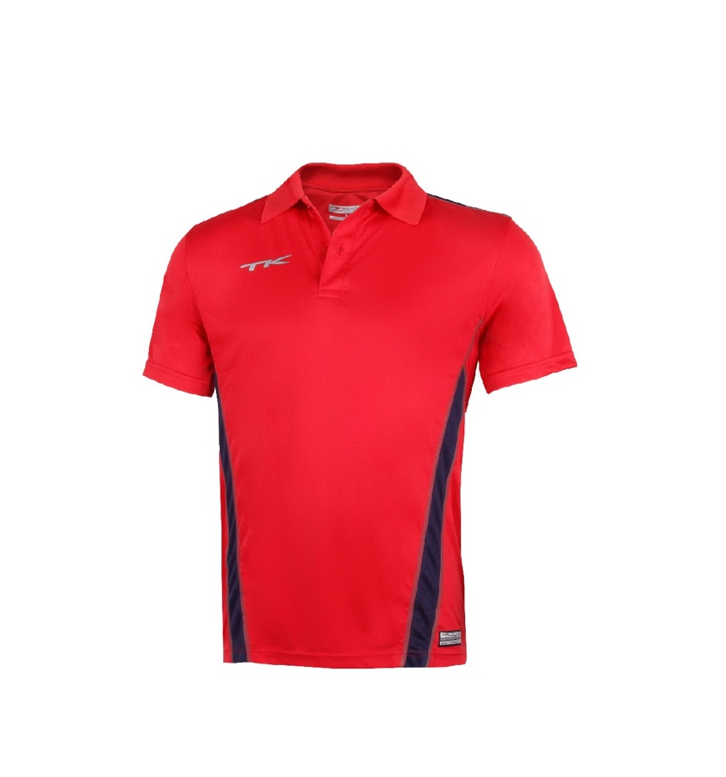
Shirts | 9135500715 | TK RIO SHIRT ROYAL-WHITE XXL | 6 | £25.00 | £150.00
Shirts | 9135500716 | TK RIO SHIRT ROYAL-WHITE XXXL | 9 | £25.00 | £225.00
Shirts | 913550150413 | TK RIO SHIRT SKY-NAVY L | 34 | £25.00 | £850.00
Shirts | 913550150412 | TK RIO SHIRT SKY-NAVY M | 5 | £25.00 | £125.00
Shirts | 913550150411 | TK RIO SHIRT SKY-NAVY S | 42 | £25.00 | £1,050.00
Shirts | 913550150410 | TK RIO SHIRT SKY-NAVY XS | 13 | £25.00 | £325.00
Shirts | 913550010406 | TK RIO SHIRT WHITE/NAVY, 140 | 5 | £25.00 | £125.00
Shirts | 913550010407 | TK RIO SHIRT WHITE/NAVY, 152 | 13 | £25.00 | £325.00
Shirts | 913550010211 | TK RIO SHIRT WHITE-BLACK S | 7 | £25.00 | £175.00
Shirts | 913550011211 | TK RIO SHIRT WHITE-MAROON S | 11 | £25.00 | £275.00
Shirts | 913550011214 | TK RIO SHIRT WHITE-MAROON XL | 7 | £25.00 | £175.00
Shirts | 913550011215 | TK RIO SHIRT WHITE-MAROON XXL | 2 | £25.00 | £50.00
Shirts | 913550010415 | TK RIO SHIRT WHITE-NAVY XXL | 4 | £25.00 | £100.00
Shirts | 913550010313 | TK RIO SHIRT WHITE-RED L | 29 | £25.00 | £725.00 | First colour is main, second colour is trim.
Shirts | 913550010312 | TK RIO SHIRT WHITE-RED M | 28 | £25.00 | £700.00 | Male/Unisex Cut
Shirts | 913550010311 | TK RIO SHIRT WHITE-RED S | 27 | £25.00 | £675.00
Shirts | 913550010314 | TK RIO SHIRT WHITE-RED XL | 31 | £25.00 | £775.00
Shirts | 913550010310 | TK RIO SHIRT WHITE-RED XS | 4 | £25.00 | £100.00
Shirts | 913550010315 | TK RIO SHIRT WHITE-RED XXL | 10 | £25.00 | £250.00
Shirts | 9124300413 | TK SERRA SHIRT NAVY L | 58 | £24.00 | £1,392.00
Shirts | 9124300412 | TK SERRA SHIRT NAVY M | 33 | £24.00 | £792.00
Shirts | 9124300411 | TK SERRA SHIRT NAVY S | 17 | £24.00 | £408.00
Shirts | 9124300414 | TK SERRA SHIRT NAVY XL | 19 | £24.00 | £456.00
Shirts | 913430041012 | TK SERRA SHIRT NAVY/GOLD M | 1 | £24.00 | £24.00
Shirts | 913430041512 | TK SERRA SHIRT NAVY/SKY M | 1 | £24.00 | £24.00
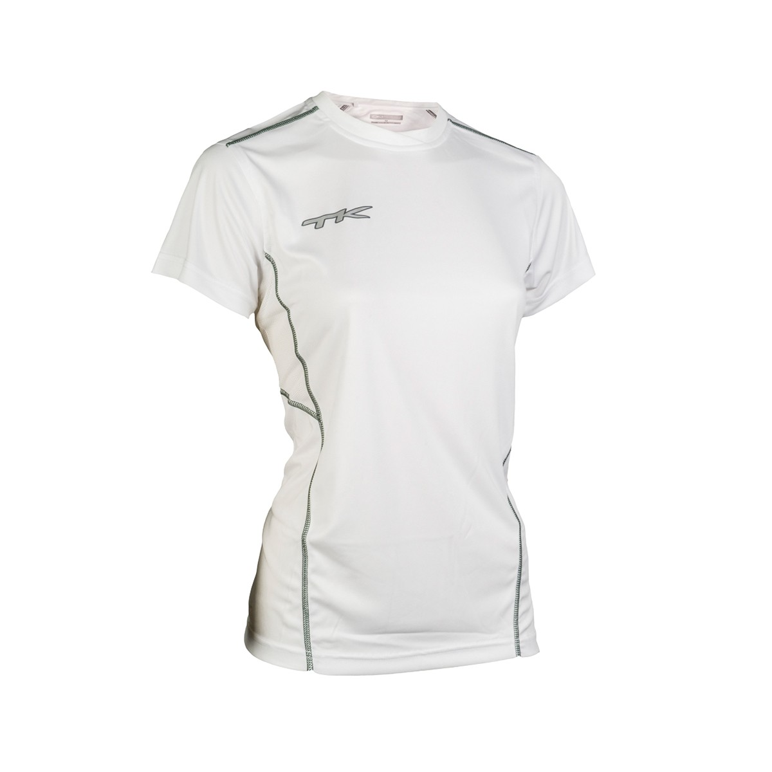
Shirts | 913430040112 | TK SERRA SHIRT NAVY/WHITE M | 1 | £24.00 | £24.00
Shirts | 913430030412 | TK SERRA SHIRT RED/NAVY M | 1 | £24.00 | £24.00
Shirts | 9124300113 | TK SERRA SHIRT WHITE L | 27 | £24.00 | £648.00
Shirts | 9124300112 | TK SERRA SHIRT WHITE M | 44 | £24.00 | £1,056.00
Shirts | 9124300111 | TK SERRA SHIRT WHITE S | 1 | £24.00 | £24.00
Shirts | 9124300114 | TK SERRA SHIRT WHITE XL | 18 | £24.00 | £432.00
Shirts | 9124300110 | TK SERRA SHIRT WHITE XS | 1 | £24.00 | £24.00
Shirts | 913430010213 | TK SERRA SHIRT WHITE/BLACK L | 2 | £24.00 | £48.00
Shirts | 913430010212 | TK SERRA SHIRT WHITE/BLACK M | 2 | £24.00 | £48.00
Shirts | 913430010214 | TK SERRA SHIRT WHITE/BLACK XL | 1 | £24.00 | £24.00
Shirts | 913430011213 | TK SERRA SHIRT WHITE/MAROON L | 1 | £24.00 | £24.00
Shirts | 913430011212 | TK SERRA SHIRT WHITE/MAROON M | 2 | £24.00 | £48.00
Shirts | 913430011211 | TK SERRA SHIRT WHITE/MAROON S | 1 | £24.00 | £24.00
Shirts | 913430011214 | TK SERRA SHIRT WHITE/MAROON XL | 1 | £24.00 | £24.00
Shirts | 913430010413 | TK SERRA SHIRT WHITE/NAVY L | 2 | £24.00 | £48.00 | First colour is main, second colour is trim.
Shirts | 913430010412 | TK SERRA SHIRT WHITE/NAVY M | 1 | £24.00 | £24.00 | Female Cut
Shirts | 913430010414 | TK SERRA SHIRT WHITE/NAVY XL | 1 | £24.00 | £24.00
Shirts | 913430010313 | TK SERRA SHIRT WHITE/RED L | 2 | £24.00 | £48.00
Shirts | 913430010312 | TK SERRA SHIRT WHITE/RED M | 2 | £24.00 | £48.00
Shirts | 913430010311 | TK SERRA SHIRT WHITE/RED S | 1 | £24.00 | £24.00
Shirts | 913430010314 | TK SERRA SHIRT WHITE/RED XL | 1 | £24.00 | £24.00
Shorts | 9145550201 | TK SHORTS SUMARE BLACK L | 2 | £22.50 | £45.00
Shorts | 9145550211 | TK SHORTS SUMARE BLACK S | 8 | £22.50 | £180.00
Shorts | 9145550204 | TK SHORTS SUMARE BLACK SIZE 116 | 25 | £18.00 | £450.00
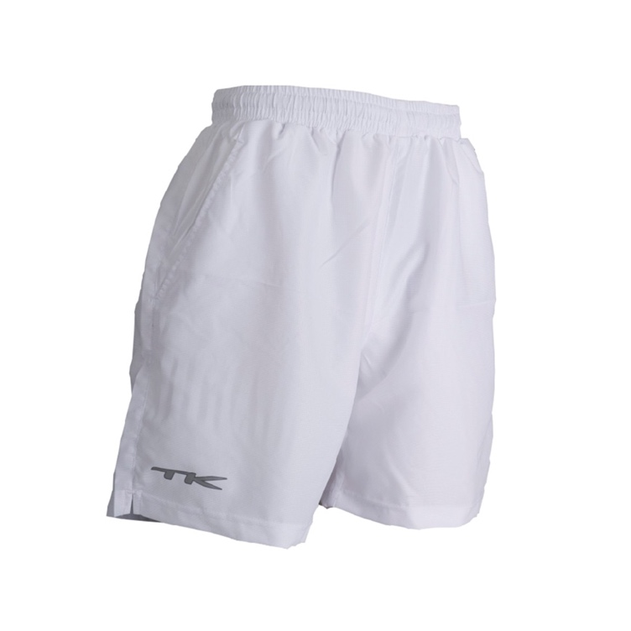
Shorts | 9145550205 | TK SHORTS SUMARE BLACK SIZE 128 | 26 | £18.00 | £468.00
Shorts | 9145550206 | TK SHORTS SUMARE BLACK SIZE 140 | 13 | £18.00 | £234.00
Shorts | 9145550207 | TK SHORTS SUMARE BLACK SIZE 152 | 8 | £18.00 | £144.00
Shorts | 9145550208 | TK SHORTS SUMARE BLACK SIZE 164 | 4 | £22.50 | £90.00
Shorts | 9145550212 | TK SHORTS SUMARE BLACK XL | 23 | £22.50 | £517.50
Shorts | 9145550210 | TK SHORTS SUMARE BLACK XS | 32 | £22.50 | £720.00
Shorts | 9145550213 | TK SHORTS SUMARE BLACK XXL | 29 | £22.50 | £652.50
Shorts | 9145550404 | TK SHORTS SUMARE NAVY SIZE 116 | 59 | £18.00 | £1,062.00
Shorts | 9145550405 | TK SHORTS SUMARE NAVY SIZE 128 | 30 | £18.00 | £540.00
Shorts | 9145550406 | TK SHORTS SUMARE NAVY SIZE 140 | 12 | £18.00 | £216.00
Shorts | 9145550407 | TK SHORTS SUMARE NAVY SIZE 152 | 9 | £18.00 | £162.00
Shorts | 9145550408 | TK SHORTS SUMARE NAVY SIZE 164 | 7 | £22.50 | £157.50
Shorts | 9145550410 | TK SHORTS SUMARE NAVY XS | 35 | £22.50 | £787.50
Shorts | 9145550302 | TK SHORTS SUMARE RED M | 3 | £22.50 | £67.50
Shorts | 9145550311 | TK SHORTS SUMARE RED S | 5 | £22.50 | £112.50
Shorts | 9145550101 | TK SHORTS SUMARE WHITE L | 34 | £22.50 | £765.00
Shorts | 9145550107 | TK SHORTS SUMARE WHITE SIZE 152 | 87 | £18.00 | £1,566.00
Shorts | 9145550108 | TK SHORTS SUMARE WHITE SIZE 164 | 87 | £22.50 | £1,957.50
Shorts | 9145550112 | TK SHORTS SUMARE WHITE XL | 30 | £22.50 | £675.00
Shorts | 9145550110 | TK SHORTS SUMARE WHITE XS | 18 | £22.50 | £405.00
Shorts | 9145550113 | TK SHORTS SUMARE WHITE XXL | 17 | £22.50 | £382.50
Skorts | 904809.1305 | TK Skort Paulista Purple 128 | 34 | £27.50 | £935.00
Skorts | 904809.1306 | TK Skort Paulista Purple 140 | 49 | £27.50 | £1,347.50
Skorts | 904809.1308 | TK Skort Paulista Purple 164 | 6 | £32.50 | £195.00
Skorts | 9048091301 | TK Skort Paulista Purple L | 11 | £32.50 | £357.50
Skorts | 9048091312 | TK Skort Paulista Purple XL | 9 | £32.50 | £292.50
Skorts | 9048091313 | TK Skort Paulista Purple XXL | 11 | £32.50 | £357.50
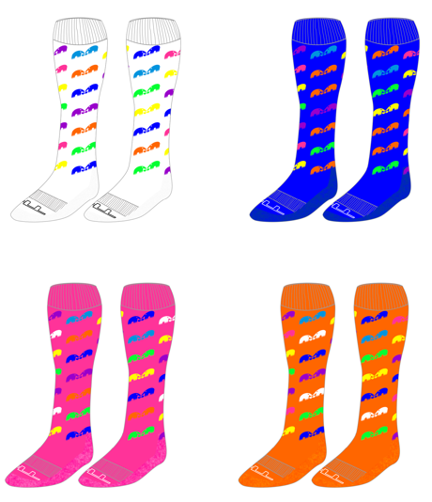
Socks | 9158131413 | TK SOCKS ELEPHUNK PHUNKY LIME L 43+ | 48 | £8.50 | £408.00
Socks | 9158131409 | TK SOCKS ELEPHUNK PHUNKY LIME XXS 27-30 | 7 | £8.50 | £59.50
Socks | 9158131113 | TK SOCKS ELEPHUNK PHUNKY ORANGE L 43+ | 87 | £8.50 | £739.50
Socks | 9158131109 | TK SOCKS ELEPHUNK PHUNKY ORANGE XXS 27-30 | 6 | £8.50 | £51.00
Socks | 9158130913 | TK SOCKS ELEPHUNK PHUNKY PINK L 43+ | 40 | £8.50 | £340.00
Socks | 9158130910 | TK SOCKS ELEPHUNK PHUNKY PINK XS 31-34 | 4 | £8.50 | £34.00
Socks | 9158130909 | TK SOCKS ELEPHUNK PHUNKY PINK XXS 27-30 | 11 | £8.50 | £93.50
Socks | 9158130713 | TK SOCKS ELEPHUNK PHUNKY ROYAL L 43+ | 23 | £8.50 | £195.50
Socks | 9128130212 | TK SOCKS EXCLUSIVE BLACK M 39-42 | 99 | £8.50 | £841.50
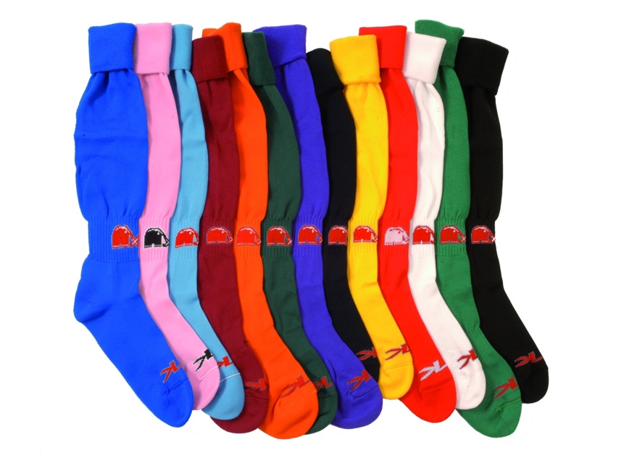
Socks | 9128131413 | TK SOCKS EXCLUSIVE EMERALD L 43+ | 18 | £8.50 | £153.00
Socks | 9128131411 | TK SOCKS EXCLUSIVE EMERALD S 35-38 | 19 | £8.50 | £161.50
Socks | 9128130511 | TK SOCKS EXCLUSIVE GREEN S 35-38 | 95 | £8.50 | £807.50
Socks | 9128131212 | TK SOCKS EXCLUSIVE MAROON M 39-42 | 71 | £8.50 | £603.50
Socks | 9128131211 | TK SOCKS EXCLUSIVE MAROON S 35-38 | 103 | £8.50 | £875.50
Socks | 9128131313 | TK SOCKS EXCLUSIVE PURPLE L 43+ | 197 | £8.50 | £1,674.50
Socks | 9128131311 | TK SOCKS EXCLUSIVE PURPLE S 35-38 | 57 | £8.50 | £484.50
Socks | 9128131513 | TK SOCKS EXCLUSIVE SKY L 43+ | 78 | £8.50 | £663.00
Socks | 9128131511 | TK SOCKS EXCLUSIVE SKY S 35-38 | 2 | £8.50 | £17.00
Socks | 9128130111 | TK SOCKS EXCLUSIVE WHITE S 35-38 | 10 | £8.50 | £85.00
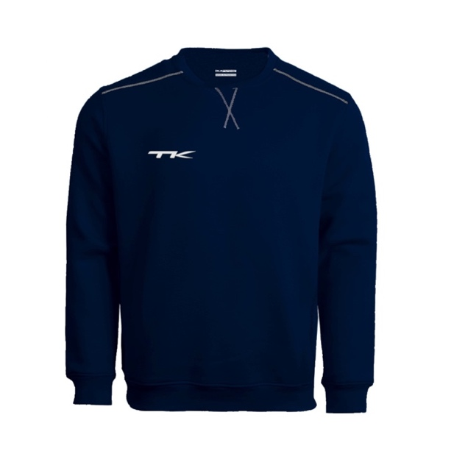
Sweatshirts | 9143700615 | TK SABARA SWEATSHIRT GREY XXL | 4 | £40.00 | £160.00
Sweatshirts | 9143700414 | TK SABARA SWEATSHIRT NAVY XL | 4 | £40.00 | £160.00
Sweatshirts | 9143700410 | TK SABARA SWEATSHIRT NAVY XS | 3 | £40.00 | £120.00
Sweatshirts | 9143700415 | TK SABARA SWEATSHIRT NAVY XXL | 4 | £40.00 | £160.00
Sweatshirts | 9143700313 | TK SABARA SWEATSHIRT RED L | 3 | £40.00 | £120.00
Sweatshirts | 9143700311 | TK SABARA SWEATSHIRT RED S | 2 | £40.00 | £80.00
Sweatshirts | 9143700314 | TK SABARA SWEATSHIRT RED XL | 4 | £40.00 | £160.00
Sweatshirts | 9143700310 | TK SABARA SWEATSHIRT RED XS | 3 | £40.00 | £120.00
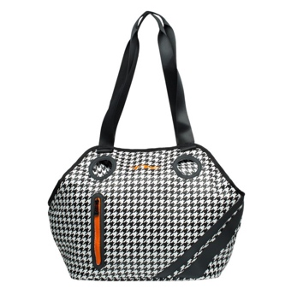
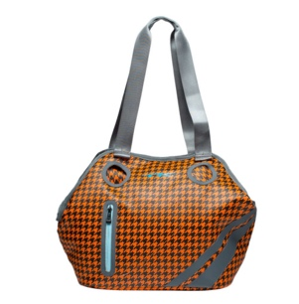
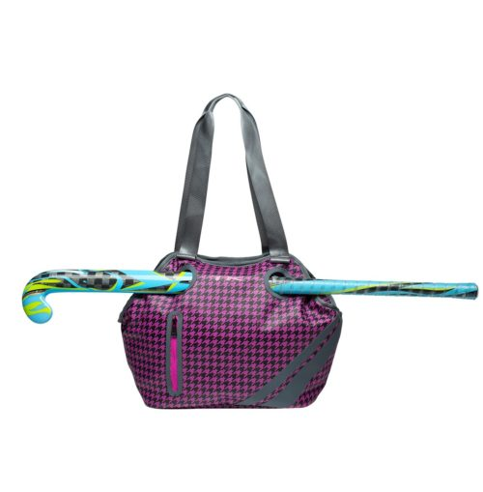
Sweatshirts | 9143700315 | TK SABARA SWEATSHIRT RED XXL | 4 | £40.00 | £160.00 | Male/Unisex Cut
Bags | 4164010100 | TK W2 WOMEN'S SHOULDER BAG WHITE | 50 | £45.00 | £2,250.00
Bags | 4164010900 | TK W2 WOMEN'S SHOULDER BAG PINK | 37 | £45.00 | £1,665.00
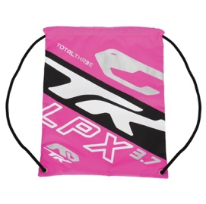
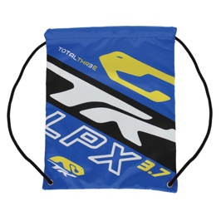
Bags | 4164011100 | TK W2 WOMEN'S SHOULDER BAG ORANGE | 78 | £45.00 | £3,510.00
Bags | 4173700700 | TK TOTAL THREE 3.7 SACKPACK ROYAL | 20 | £10.00 | £200.00
Bags | 4173700900 | TK TOTAL THREE 3.7 SACKPACK NEON PINK | 28 | £10.00 | £280.00
Bags | 4173701400 | TK TOTAL THREE 3.7 SACKPACK GREEN | 30 | £10.00 | £300.00
Bags | 4191200200 | TK TOTAL ONE 1.2 STICKBAG WITH WHEELS BLACK | 239 | £120.00 | £28,680.00
Bags | 4191600200 | TK TOTAL ONE 1.6 BACKPACK WITH WHEELS BLACK | 195 | £110.00 | £21,450.00
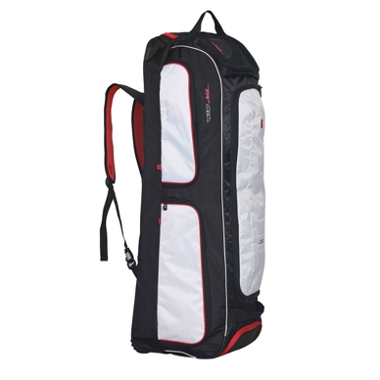
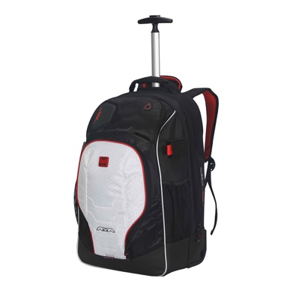
 |  |  | 11833 |  | £234,626.30

 |  |  |  |  |  | 1.2 Wheelie Bag |  |  | 1.6 Backpack

Additional Items:
These shirts have varying levels of colour bleed to the White fabric. Some are not heavy at all and will likely dissapear with a wash, others are more heavy. All designs are as per the main Rio/Brasilia Shirts above.
If the offer for the above was acceptable to us, we would offer all of the below as part of the deal for no cost.
 |  | TK RIO SHIRT WHITE-MAROON XS | 19
 |  | TK RIO SHIRT WHITE-MAROON S | 52
 |  | TK RIO SHIRT WHITE-MAROON M | 57
 |  | TK RIO SHIRT WHITE-MAROON L | 51
 |  | TK RIO SHIRT WHITE-MAROON XL | 32
 |  | TK RIO SHIRT WHITE-MAROON XXL | 2
...

